Daegu Campus Map
Daegu Campus Map

 | Area 1 | Area 3
 | 100. Main Administration Bldg. | 301. Teacher's College
 | 101. Main Auditorium | 302. Graduate Education School Bldg.
 | 102. DGB Culture Center | 303. Woodang Bldg.
 | (Center for Lifelong Edu., Art Gallery, Bank) | 304. Common Lecture Bldg.4
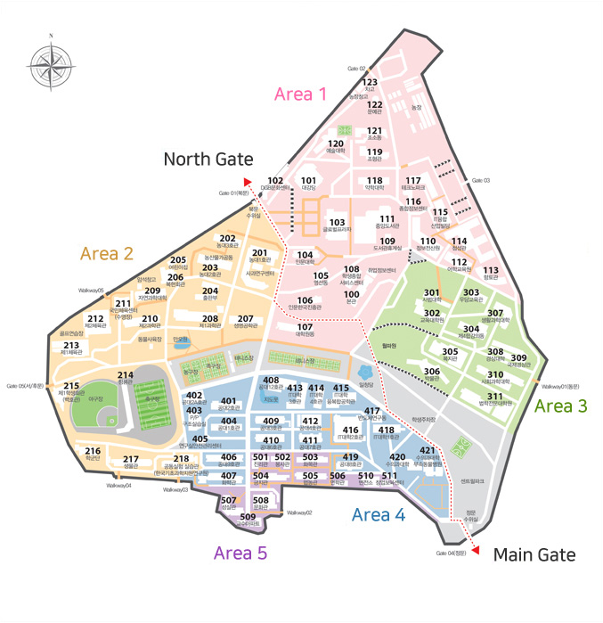
 | 103. Global Plaza | 305. Student Union Bldg.
 | (Rm. 608, Office of International Affairs) | 306. KNU Museum
 | 104. College of Humanities | 307. College of Human Ecology
 | 105. Youngsundong | 308. College of Ecomics & Business Administration1
 | 106. Humanities Korea Bldg. | 309. College of Ecomics & Business Administration2
 | 107. Graduate School Bldg. | 310. College of Social Sciences
 | 108. Student Service Center | 311. College of Law/Graduate Law School
 | 109. Library / Cafeteria | Area 4
 | 110. IT Services | 401. College of Engineering Bldg.2
 | 111. Central Library | 402. College of Engineering Bldg.2A
 | 112. Language Institute | 403. Environmental Science Institute
 | 113. Dormitory(hyangto-gwan) | 404. College of Engineering Bldg.1
 | 114. Dormitory(Cheomsung-gwan) | 405. Environmental Science & Technology Institute
 | 115. Mobile-Techno Bldg. | 406. College of Engineering Bldg.9
 | 116. General Information Center | 407. Chemistry Bldg.
 | 117. Technopark | 408. College of Engineering Bldg.12
 | 118. College of Pharmacy | 409. College of Engineering Bldg.3
 | 119. Fine Art & Design Bldg. | 410. College of Engineering Bldg.6
 | 120. College of Music & Visual Arts | 411. College of Engineering Bldg.7
 | 121. Carving & Modeling Bldg. | 412. College of Engineering Bldg.4
 | 122. Munye-gwan | 413. College of IT Engineering Bldg.3
 | 123. Garage | 414. College of IT Engineering Bldg.4
 | Area 2 | 415. IT Convergene Engineering Bldg.
 | 201. College of Agriculture & Life Science Bldg.1 | 416. College of IT Engineering Bldg.2
 | 202. College of Agriculture & Life Science Bldg.3 | 417. Semiconductor Reserch Bldg.
 | 203. College of Agriculture & Life Science Bldg.2 | 418. College of IT Engineering Bldg.1
 | 204. KNU Press | 419. College of Engineering Bldg.8
 | 205. Bokhyun Bldg. | 420. College of Veterinary Medicine
 | 206. Children Education Center | 421. Veterinary Hospital
 | 207. Biotechnology Bldg. | Area 5
 | 208. Natural Science Bldg.1 | 501. Dormitory(Jilli-gwan)
 | 209. College of Natural Sciences | 502. Dormitory(Bongsa-gwan)
 | 210. Natural Science Bldg.2 | 503. Dormitory(Hwamok-gwan)
 | 211. Swimming Pool | 504. Dormitory(Gungji-gwan)
 | 212. Gymnasium 2 | 505. Dormitory(Hyupdong-gwan)
 | 213. Gymnasium 1 | 506. Dormitory(Myeonhak-gwan)
 | 214. Chungryong-gwan | 507. Dormitory(Sungshil-gwan)
 | 215. Student Club Bldg.(Baekho-gwan) | 508. Dormitory(Moonhwa-gwan)
 | 216. R.O.T.C | 509. Faculty Apartments
 | 217. Biology Bldg. | 510. Substation
 | 218. Scientific Instruments Center | 511. Business Incubation Center

